Description of Task
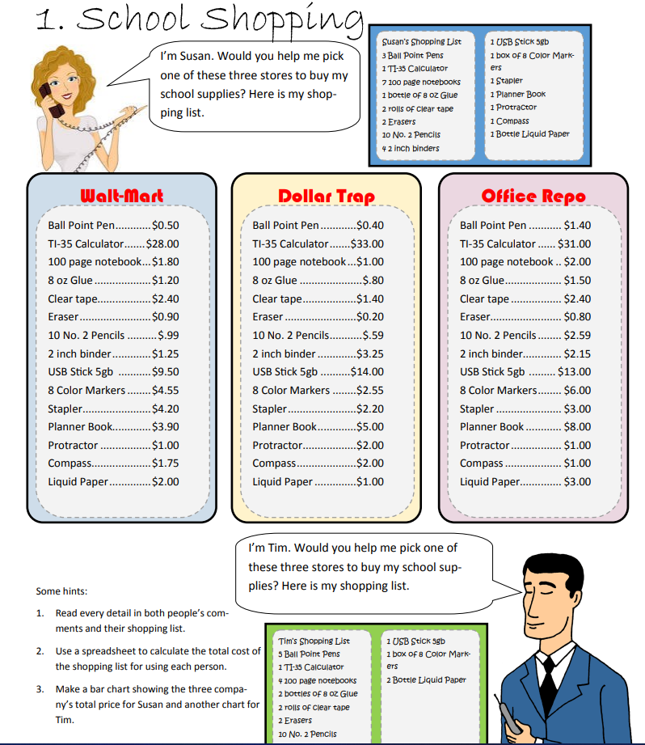

Viz
Tim Total Price
 | Walt-Mart | Dollar Trap | Office Repo
 | $121.35 | $124.80 | $156.55
Susan Total Price
 | Walt-Mart | Dollar Trap | Office Repo
 | $82.79 | $87.54 | $103.29

